2026
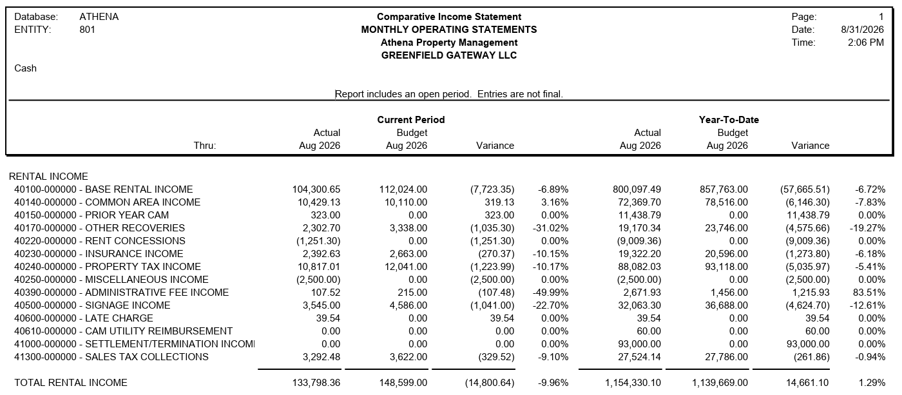
 |  |  |  |  |  |  | YTD - 2026
 | MONTHLY TENANT CHARGES | Budget | Cash | Variance | Comments | Budget | Cash | Variance | Comments
 | TENANT | Aug-26 | Aug-26 | Aug-26 | Aug-26
Major A | EOS Fitness | 66,174.83 | 66,174.84 | 0.01 |  | 529,398.61 | 552,657.74 | 23,259.13 | STX $401.00 Budget vs pmt. PYC $22,691.75 received in Mar'26 & May'26 STX $166.34 received in May'26
B101 | Third Pasrty MVS | 8,225.12 | 8,225.14 | 0.02 |  | 65,800.92 | 66,929.34 | 1,128.42 | PYC $1,100.74 received in May'26 STX $27.52 received in May'26
B103 | Sally Beauty Supply | 3,311.57 | 2,895.56 | (416.01) | CAM credit ($416.01) being applied to BAS & NNN current charges | 26,492.58 | 26,492.56 | (0.02)
B104 | Wild Side Smoke Shop | 3,439.36 | 3,363.25 | (76.11) | BAS ($74.26) & STX ($1.85) Short Pmt | 27,210.44 | 26,634.65 | (575.79) | CAM ($345.61) Short Pmt in Jan'26 & June'26 BAS ($222.78) & STX ($7.40) Short Pmt in May'26, June'26 & Aug'26
B105 | Green Spa, LLC | 2,858.28 | 2,815.10 | (43.18) | BAS ($42.13) Budget vs Pmt STX ($1.05) Budget vs Pmt | 22,736.68 | 22,665.80 | (70.88) | CAM $75.03 Over Pmt in Feb'26 & June'26 BAS ($210.65) Budget vs Pmt in Apr'26 to Aug'26 PYC $68.14 received in May'26 STX ($3.15) Budget vs Pmt in June'26 to Aug'26
 | John F. Long Foundation | 15.38 | 45.00 | 29.63 | SGN $45.00 past due paid SGN ($15.00) & STX ($0.38) Short Pmt | 123.00 | 165.00 | 42.00 | ELEC $60.00 Past due paid in Jan'26 SGN ($15.00) Short Pmt in Aug'26 STX ($3.64) Short Pmt in from Jan'26 to Aug'26
B106 | AT&T Mobility | 7,038.97 | - | (7,038.97) | BAS ($5,375.40) & NNN ($1,663.57) Budget vs Pmt | 56,311.76 | 47,114.57 | (9,197.19) | PYC credit applied to BAS ($613.64) & NNN ($1,491.88) in May'26 STX ($52.64) Credit applied to current charges in May'26 BAS ($5,375.40) & NNN ($1,663.57) Budget vs Pmt in Aug'26
B108 | Discount Nutrition | 3,431.21 | 8,422.82 | 4,991.61 | BAS $2,630.31 & NNN $2,321.77 Past due paid LAT $39.54 received | 27,299.90 | 27,670.46 | 370.56 | NNN $331.00 Budget vs Pmt LAT $39.54 received in Aug'26
B109 | Adapt Chiropractic | 4,285.82 | 4,285.83 | 0.01 |  | 34,286.55 | 30,174.80 | (4,111.75) | PYC credit applied to BAS ($3,699.20) & NNN ($312.35) in May'26 STX ($100.29) credit applied to current charges in May'26
B111 | Speakeasy Suites | 8,299.77 | 8,299.78 | 0.01 |  | 66,398.19 | 67,966.88 | 1,568.69 | PYC $1,530.38 & STX $38.26 received in July'26
 | Sportsman's Warehouse | 1,537.50 | 1,537.50 | - |  | 12,300.00 | 12,300.00 | -
101 | Kachina Stained Glass | 3,340.59 | - | (3,340.59) | BAS ($2,447.45) & NNN ($893.05) Short Pmt | 26,426.93 | 23,216.83 | (3,210.10) | PYC $127.91 received in May'26 STX $3.20 received in May'26 BAS ($2,447.45) & NNN ($893.05) Short Pmt in Aug'26
102 | Zanders Creations | 3,886.27 | 3,888.26 | 1.99 | STX $2.00 received | 30,841.11 | 31,258.15 | 417.04 | PYC $397.40 received in May'26 STX $18.01 received in May'26 to Aug'26
103 | Brightnow Dental | 9,511.60 | - | (9,511.60) | BAS ($7,200.00) & NNN ($2,311.60) No Pmt | 76,092.81 | 93,000.00 | 16,907.19 | BAS ($50,400.00) & NNN ($15,949.21) No Pmt in Jan'26 to Mar'26 & May'26 to Aug'26 STX ($231.99) No Budgeted in Jan'26 STM $93,000.00 received and not Budgeted in April'26 BAS ($7,200.00) & NNN ($2,311.60) 04/26 NC Adjustment in Apr'26
106 | Carr Animal Care | 3,540.83 | 3,540.83 | 0.00 |  | 28,326.60 | 27,243.66 | (1,082.94) | PYC credit applied to ($511.61) & NNN ($544.96) in May'26 STX (26.47) credit applied to current charges in May'26
107 | Razors Barber Shop | 2,783.66 | 2,883.68 | 100.02 | BAS $100.00 Over Pmt | 22,089.33 | 21,662.55 | (426.78) | BAS ($175.59) Short Pmt in Apr'26 to June'26 NNN ($568.11) Short Pmt from Jan'26 to Apr'26 & June'26 BAS $316.63 Over Pmt in July'26 & Aug'26
108 | CrossFit New Strength | 6,899.64 | - | (6,899.64) | BAS ($4,639.93) & NNN ($2,259.73) No Pmt | 55,197.14 | 45,493.84 | (9,703.30) | BAS $6,499.12 Over Pmt in Apr'26 BAS ($9,279.86) No Pmt in May'26 & Aug'26 NNN ($6,922.70) Short Pmt from Jan'26 to Apr'26 & June'26 to Aug'26
111 | Vacant (Time Out Bar) | 7,969.70 | - | (7,969.70) | BAS ($6,190.30) & NNN ($1,779.00) No Pmt | 15,939.41 | - | (15,939.41) | BAS ($12,380.60) & NNN ($3,558.00) No Pmt in July'26 & Aug'26
 | Walmart | 2,050.00 | 2,037.50 | (12.50) | STX ($12.50) Short Pmt | 16,400.00 | 16,300.00 | (100.00) | SGN ($37.50) Short Pmt in Mar'26 STX ($62.50) Short Pmt in Apr'26 to Aug'26
 | Tailgate Bar and Grill LLC | 0.00 | 15,383.27 | 15,383.27 | BAS $15,516.12 & NNN $3,618.45 Not Budgeted MISC credit ($2,500.00) applied to BAS & NNN ABA ($1,251.30) | - | 15,383.27 | 15,383.27 | BAS $15,516.12 & NNN $3,618.45 Not Budgeted in Aug'26 MISC credit ($2,500.00) applied to BAS & NNN in Aug'26 ABA ($1,251.30) in Aug'26

 |  | 148,600.10 | 133,798.36 | (14,801.74) |  | 1,139,671.96 | 1,154,330.10 | 14,658.14
 |  | 148,599.00 | 133,798.36 | (14,800.64) |  | 1,139,669.00 | 1,154,330.10 | 14,661.10
 |  | (1.10) | - | 1.10 |  | 2.96 | - | (2.96)

